Sheet1


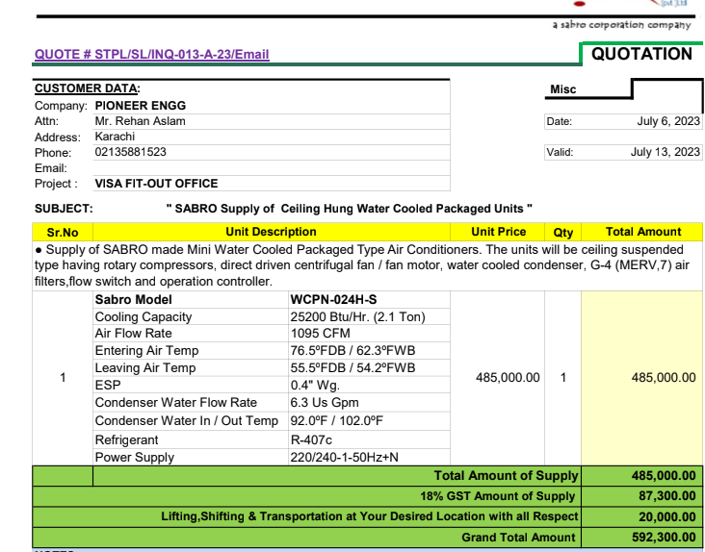



M/S Sabro Technologies |  |  |  |  | 6-Oct-23
Att: Mr. Faraz Hameed

Purchase Order against your quote ref STPL/SL/INQ-013-A-23/Email |  |  |  |  |  | -

Supply of WCPU for the project VISA OFFICE DMC Karachi Karachi |  |  |  |  |  | 1,380,000

S No. | D e s c r i p t i o n | Qty | Unit | Rate | Amount
1 | SUPPLY OF SABRO Mini Water Cooled Packaged Unit. MODEL: WCPN-024H-S Cooling Capacity 25200 Btu/Hr. (2.1 Ton) Air Flow Rate 1095 CFM Entering Air Temp 76.5oFDB / 62.3oFWB Leaving Air Temp 55.5oFDB / 54.2oFWB ESP 0.4" Wg. Condenser Water Flow Rate 6.3 Us Gpm Condenser Water In / Out Temp 92.0oF / 102.0oF Refrigerant R-407c Power Supply 220/240-1-50Hz+N | 1 | No | 460,000 | 460,000 | 284 | 332
 |  |  |  |  |  |  | -

 |  |  |  |  |  |  | -
M. BILAL HABIB |  |  |  |  |  |  | -
 |  |  |  |  |  |  | -
 |  |  |  |  |  |  | -
 |  |  |  |  |  |  | -
 |  |  |  |  |  |  | -
 |  |  |  |  |  |  | -
 |  |  |  |  |  |  | -
 |  |  |  |  |  |  | -
 |  |  |  |  |  |  | -
 |  |  |  |  |  |  | -

